Jul
Algebra 2 |  |  | 2025-07-01
Sunday |  | Monday |  | Tuesday | Wednesday | Thursday |  | Friday |  | Saturday
 |  |  |  | 2025-07-01 | 2025-07-02 | 2025-07-03 |  | 2025-07-04 | Independence Day | 2025-07-05

2025-07-06 |  | 2025-07-07 |  | 2025-07-08 | 2025-07-09 | 2025-07-10 |  | 2025-07-11 |  | 2025-07-12

2025-07-13 |  | 2025-07-14 |  | 2025-07-15 | 2025-07-16 | 2025-07-17 |  | 2025-07-18 |  | 2025-07-19

2025-07-20 |  | 2025-07-21 |  | 2025-07-22 | 2025-07-23 | 2025-07-24 |  | 2025-07-25 |  | 2025-07-26

2025-07-27 | Parents' Day | 2025-07-28 |  | 2025-07-29 | 2025-07-30 | 2025-07-31

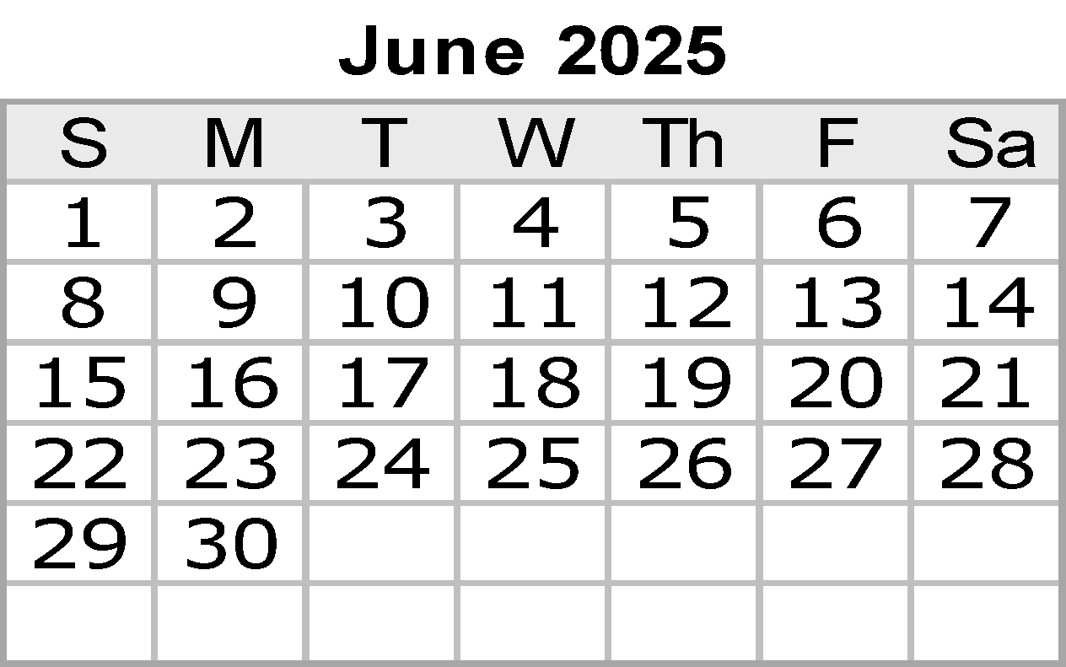
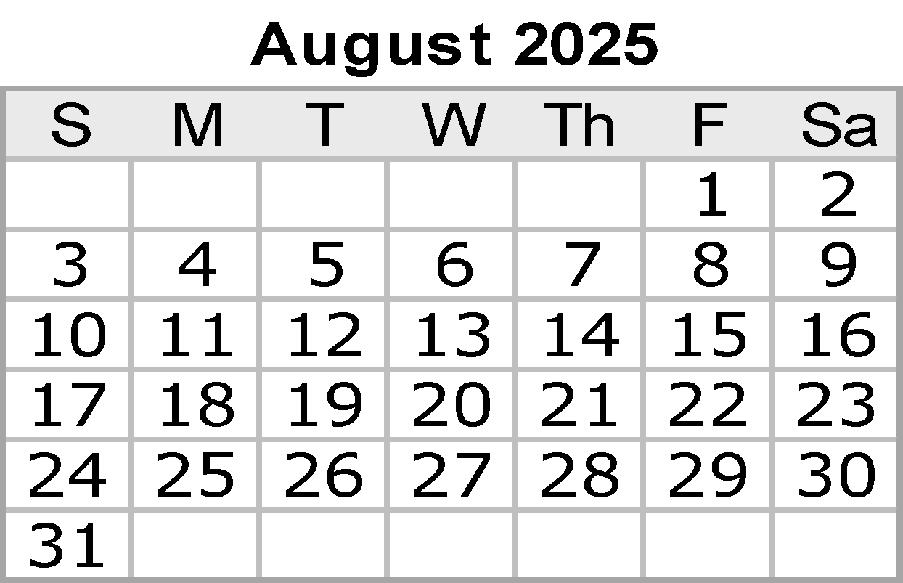
 |  |  |  |  |  |  |  | Notes:

 |  |  |  |  |  |  |  |  |  | © 2019 Vertex42 LLC
 |  |  |  |  |  |  | {42} | Calendar Template by Vertex42.com
 |  | https://www.vertex42.com/ExcelTemplates/excel-calendar-template.html

Aug
Algebra 2 |  | 2025-08-01
Sunday | Monday |  | Tuesday | Wednesday | Thursday |  | Friday | Saturday
 |  |  |  |  |  |  | 2025-08-01 | 2025-08-02

2025-08-03 | 2025-08-04 |  | 2025-08-05 | 2025-08-06 | 2025-08-07 |  | 2025-08-08 | 2025-08-09
 | New Teacher Orientation
 |  |  | Prof Dev | Prof Dev | Prof Dev |  | Teacher Prep

2025-08-10 | 2025-08-11 |  | 2025-08-12 | 2025-08-13 | 2025-08-14 | [TEK] | 2025-08-15 | 2025-08-16
 |  |  |  |  | [Day 1 Learning Target]
 | Prof Dev |  | Prof Dev | Teacher Prep

2025-08-17 | 2025-08-18 |  | 2025-08-19 | 2025-08-20 | 2025-08-21 |  | 2025-08-22 | 2025-08-23
link to TEKS/Learning Targets | OL: IWBAT simplify expressions and identify equivalent forms. PEMDAS |  | OL: IWBAT solve equations and inequalities. | OL: IWBAT factor the GCF and factor a trinomial where a is 1. | OL: IWBAT identify key attributes from 4 parent functions, and identify solutions. |  | OL: IWBAT solve equations, simplify expressions and identify key features of graphs.

 | adv: Solving equations and inequalities
Advanced |  |  | adv: factor GCF, a=1 | factor a > 1, special | D & R from 4 parent functions |  | Same
2025-08-24 | 2025-08-25 |  | 2025-08-26 | 2025-08-27 | 2025-08-28 |  | 2025-08-29 | 2025-08-30
 | OL: IWBAT write the domain & range for a given function. (also know properties of functions) |  | OL: IWBAT write domain & range in different notations. | OL: IWBAT write domain and range from linear word problems. | IWBAT determine key features from 4 parent graphs, solve equations and simplify expressions. |  | Unit 1 Test

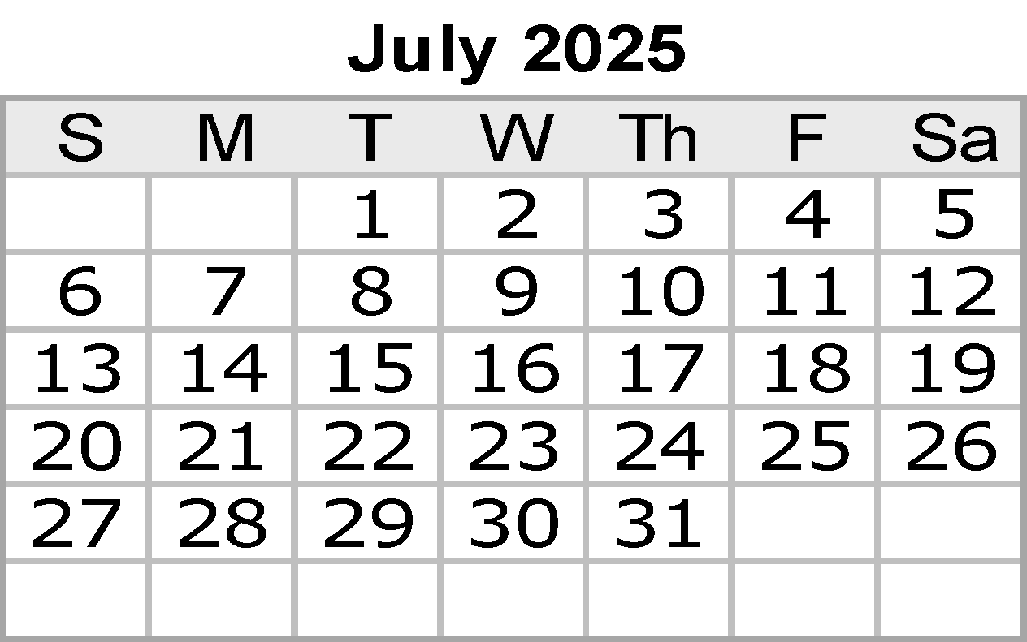
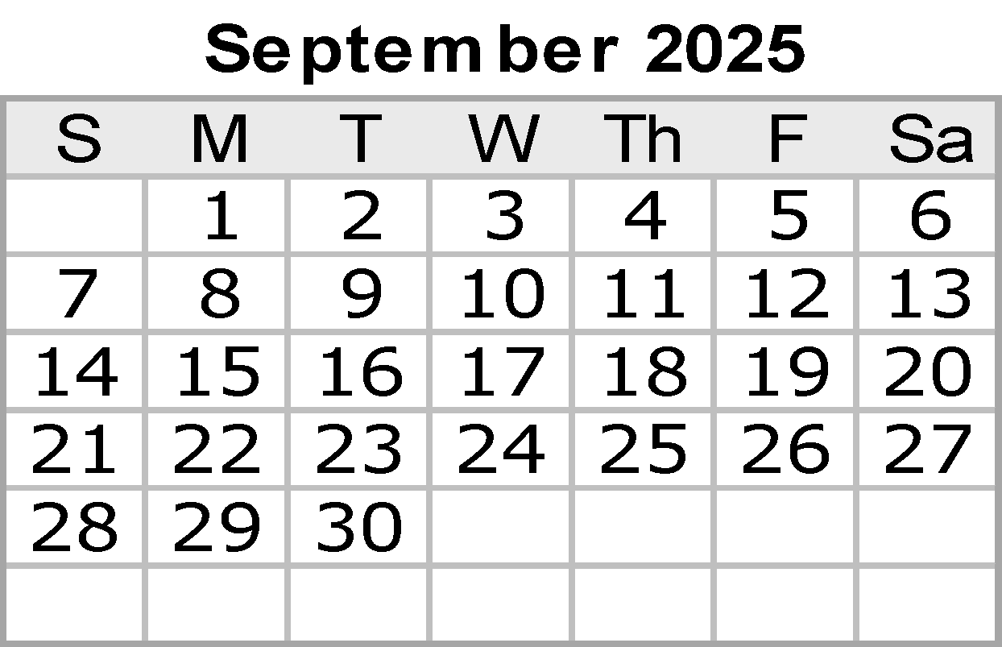
 |  |  |  | Solutions to the Methods of representation notes
 | D & R from piecewise, include different notations (maybe real life application) |  | include inequalities and systems of equations (solutions) | Same | Same |  | Same
2025-08-31 |  |  |  |  |  |  | Notes:

 |  |  |  |  |  |  |  | © 2019 Vertex42 LLC
 |  |  |  |  |  | {42} | Calendar Template by Vertex42.com
 | https://www.vertex42.com/ExcelTemplates/excel-calendar-template.html

Sep
Algebra 2 |  | 2025-09-01
Sunday | Monday |  | Tuesday |  | Wednesday | Thursday |  | Friday |  | Saturday
 | 2025-09-01 | Labor Day | 2025-09-02 |  | 2025-09-03 | 2025-09-04 |  | 2025-09-05 |  | 2025-09-06

 | No School! |  |  |  |  | Unit 1 Test |  | REVIEW
 |  |  | Applicatiions |  | TIA testing
 |  |  |  |  |  |  |  | REVIEW

2025-09-07 | 2025-09-08 |  | 2025-09-09 |  | 2025-09-10 | 2025-09-11 |  | 2025-09-12 |  | 2025-09-13
On Level | TEST |  | 2.1 Graphing Absolute Value Functions Day 1 Notes |  | Graphing Absolute Value Functions Practice 2 | 2.1 Graphing Absolute Value Functions Day 2 Notes |  | 2.1 Practice b.pdf
Advanced | TEST |  | Graphing Absolute Value Functions Practice Day 1 |  |  | 2.1 Graphing Absolute Value Functions Day 2.pdf
Both |  |  | 2.1 Graphing Absolute Value Functions Notes |  | 2.1 Graphing Absolute Value Functions Practice.pdf | 2.2 Graphing Absolute Value Inequalities Homework |  | 2.2 Graphing Absolute Value Inequalities Homework
 |  |  | 2.1 Graphing Absolute Value Functions Practice.pdf |  |  | Graphing Inequalties.pdf

2025-09-14 | 2025-09-15 |  | 2025-09-16 |  | 2025-09-17 | 2025-09-18 |  | 2025-09-19 |  | 2025-09-20
 |  |  | Graphing Review |  | Unit 2A 6CTest: Graphing Absolute Value | Solving Absolute Value Equations Notes |  |  | Solving Absolute Value inequalities practice
 |  |  |  |  | Unit 2A 6C Test: Graphing Absolute Value
 |  |  |  |  |  | Solving Absolute Value Equations Practice .pdf |  | Solving Absolute Value Inequalities Notes
 | Advanced Graphing Review |  | Advanced Graphing Review

2025-09-21 | 2025-09-22 |  | 2025-09-23 | L | 2025-09-24 | 2025-09-25 |  | 2025-09-26 | End of 1st Six Weeks | 2025-09-27
 |  |  |  |  |  |  |  | Unit 2B Test: Solving Absolute Value L
 | Solving Absolute Value Inequalities Practice .pdf |  | Applications Practice |  | Solving Review |  |  |  |  | Put test grade on next six weeks
 |  |  | Applications Notes |  | Solving Review |  |  |  |  | A graphing grade and a solving grade
 |  |  |  |  |  |  |  | Unit 2B Test: Solving Absolute Value L

2025-09-28 | 2025-09-29 |  | 2025-09-30

 | Notes 3.1 |  | Notes 3.2
 |  | Practice 3.1 | Practice 3.2

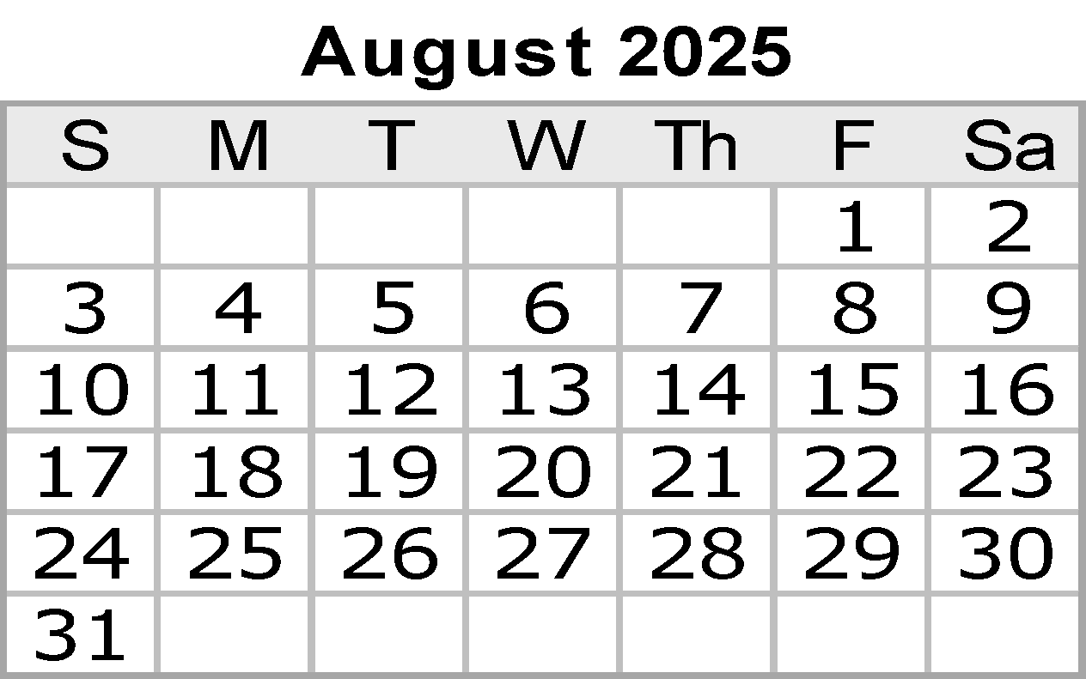
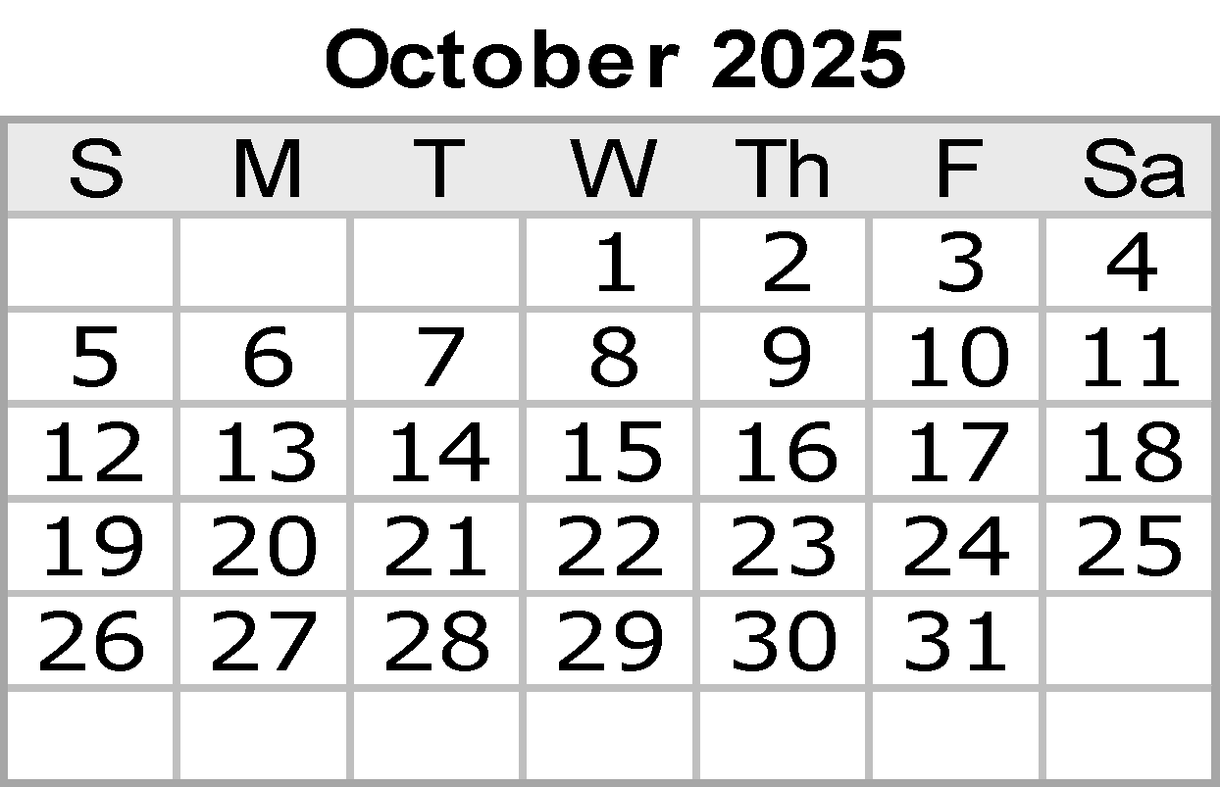
 |  |  |  |  |  |  |  | Notes:

 |  |  |  |  |  |  |  |  |  | © 2019 Vertex42 LLC
 |  |  |  |  |  |  | {42} | Calendar Template by Vertex42.com
 | https://www.vertex42.com/ExcelTemplates/excel-calendar-template.html

Oct
Algebra 2 |  | 2025-10-01
Sunday | Monday |  | Tuesday | Wednesday | Thursday |  | Friday |  | Saturday
 |  |  |  | 2025-10-01 | 2025-10-02 |  | 2025-10-03 |  | 2025-10-04
 | On Level
 | Advanced |  |  | Notes | Workday |  | Homework Quiz
 | Both |  |  | Practice 3.3 |  |  | Quiz

2025-10-05 | 2025-10-06 |  | 2025-10-07 | 2025-10-08 | 2025-10-09 |  | 2025-10-10 |  | 2025-10-11
 | Notes 3.4 |  | Notes 3.5 | Notes 3.6 | Quiz |  | Prof Developement
 | Practice 3.4 |  | Practice 3.5 | Practice 3.6 | Review
 |  |  |  |  | Homework Quiz

2025-10-12 | 2025-10-13 | Columbus Day | 2025-10-14 | 2025-10-15 | 2025-10-16 | L | 2025-10-17 | L | 2025-10-18
 | No School! |  | Review | Test | 4.1- Factoring Practice On-level |  | Factoring: |a-value| > 1 Notes
 | No School! |  |  |  | 4.1 - Factoring Notes |  | Factoring: |a-value| > 1 practice
 | No School! |  |  | End Unit 3
 | No School! |  |  |  | Factoring: |a-value| > 1 and gcf |  | Factoring: special cases (difference of squares, perfect square trinomials)
 | No School!
2025-10-19 | 2025-10-20 | L | 2025-10-21 | 2025-10-22 | 2025-10-23 |  | 2025-10-24 | L | 2025-10-25
 | Solve by Factoring |  | Applications |  | Mixed Factoring |  | Review
 |  |  |  | PSAT
 | Applications |  | Review |  | Review |  | Factoring Test

2025-10-26 | 2025-10-27 | L | 2025-10-28 | 2025-10-29 | 2025-10-30 |  | 2025-10-31 | Halloween L
 | Factoring Test |  | Systems involving 1 quadratic and 1 linear | Complex Numbers | Complex Numbers |  | Solving by square roots

 | Systems involving 1 quadratic and 1 linear |  | Complex Numbers | Complex Numbers | Solving by square roots |  | Complete the Square
 |  |  |  |  | Complete the Square

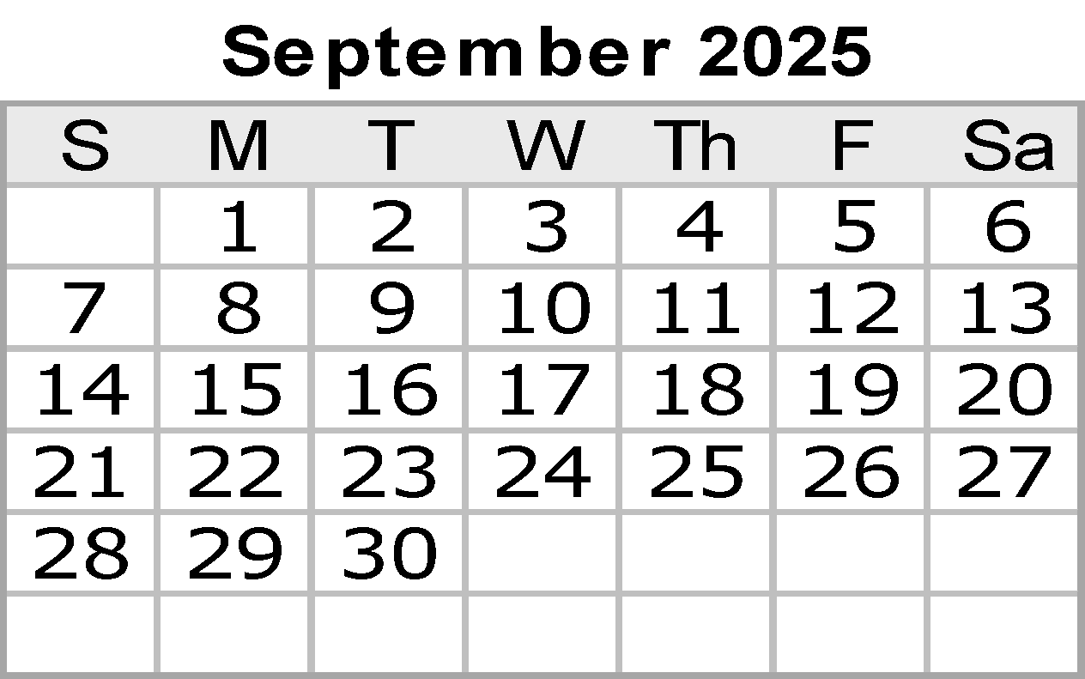
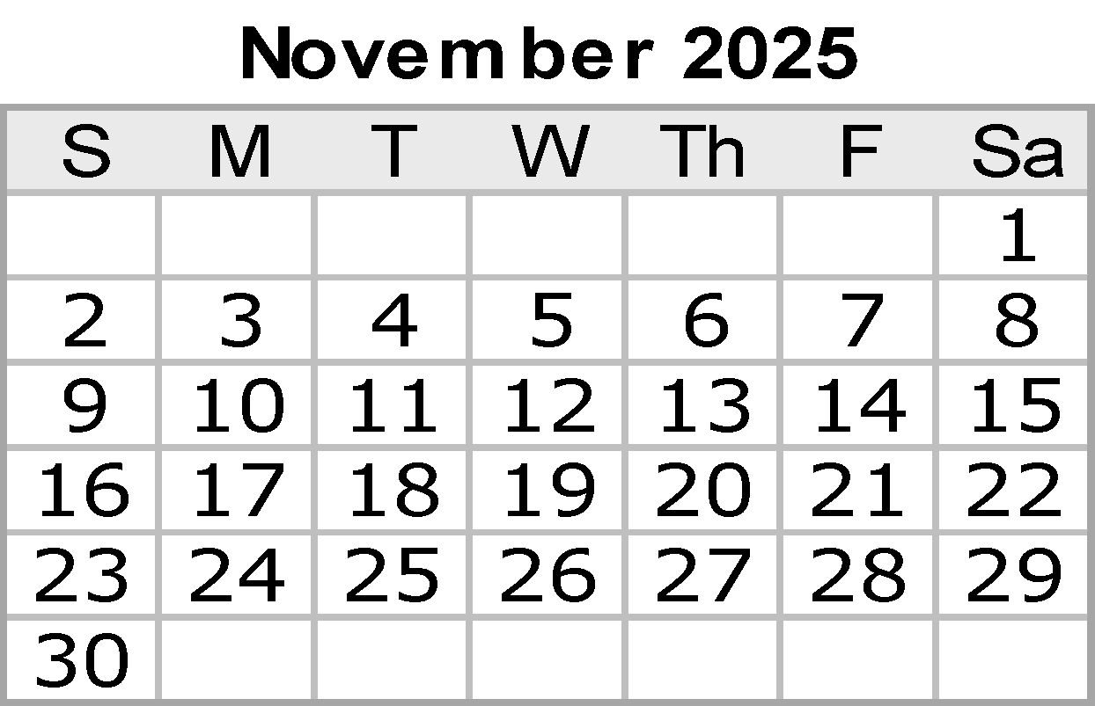
 |  |  |  |  |  |  | Notes:

 |  |  |  |  |  |  |  |  | © 2019 Vertex42 LLC
 |  |  |  |  |  | {42} | Calendar Template by Vertex42.com
 | https://www.vertex42.com/ExcelTemplates/excel-calendar-template.html

Nov
Algebra 2 |  |  | 2025-11-01
Sunday |  | Monday |  | Tuesday |  | Wednesday |  | Thursday |  | Friday |  | Saturday
 |  |  |  |  |  |  |  |  |  |  |  | 2025-11-01

2025-11-02 | Daylight Saving | 2025-11-03 |  | 2025-11-04 |  | 2025-11-05 |  | 2025-11-06 |  | 2025-11-07 | End of 2nd Six Weeks | 2025-11-08
 |  | Complete the Square |  | Check using a graph |  | Transformations |  | Transformations |  | Graphing Using Key Features
 |  |  |  | Quadratic Formula
 |  | Check using a graph |  | Transformations |  | Transformations |  | Vertex Form |  | Graphing Using Key Features
 |  | Quadratic Formula |  |  |  |  |  | 4.2.6 |  | 4.2.7

2025-11-09 |  | 2025-11-10 |  | 2025-11-11 | Veterans Day | 2025-11-12 | L | 2025-11-13 |  | 2025-11-14 | L | 2025-11-15
 |  | 3.10 Notes Standard to Vertex Form.pdf |  | 3.9 Notes Graph Vertex Form.pdf |  | Workday |  | Vertex and a point |  | Roots and a point

 |  | Transformations and Graphing Continued |  | Graphing Work Day |  | Writing the equation of a parabala using key features/workday |  | Writing the equation of a parabala using key features/workday |  | Mixed Practice Writing Equations
 |  |  |  |  |  | 4.2.8 |  | 4.2.8 |  | 4.2.8

2025-11-16 |  | 2025-11-17 |  | 2025-11-18 | L | 2025-11-19 |  | 2025-11-20 |  | 2025-11-21 | L | 2025-11-22
 |  | Work day |  | Solving Quadratic Inequalities NOTES |  |  |  |  |  | Unit 4 Test
 |  |  |  |  |  | Unit 4 Review |  | Snapshot/Review |  | Unit 4 Test
 |  | Mixed Practice Writing Equations |  | Solving Quadratic Inequalities
 |  | 4.2.8 |  | 4.2.9

2025-11-23 |  | 2025-11-24 |  | 2025-11-25 |  | 2025-11-26 |  | 2025-11-27 | Thanksgiving | 2025-11-28 |  | 2025-11-29

 |  | SAT |  | SAT |  | No School! |  | No School! |  | No School!
 |  | Makeup |  | Makeup
 |  | Catch up |  | Catch up

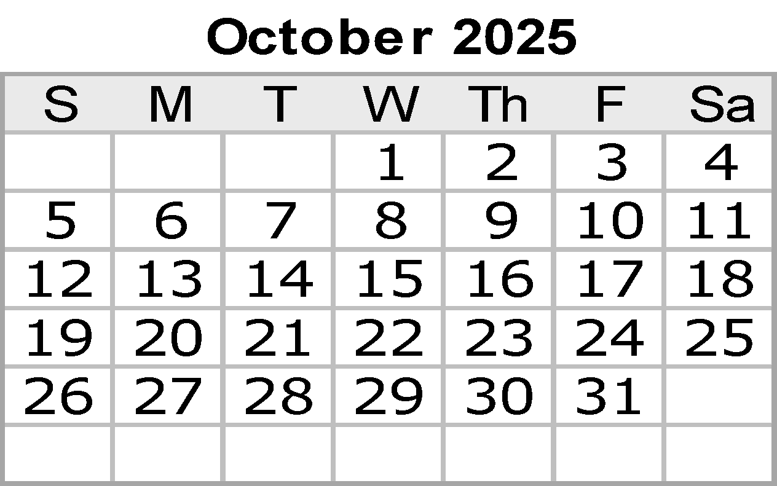

2025-11-30 |  |  |  |  |  |  |  |  |  | Notes:

 |  |  |  |  |  |  |  |  |  |  |  | © 2019 Vertex42 LLC
 |  |  |  |  |  |  |  |  | {42} | Calendar Template by Vertex42.com
 |  | https://www.vertex42.com/ExcelTemplates/excel-calendar-template.html

Dec
Algebra 2 |  |  | 2025-12-01
Sunday |  | Monday |  | Tuesday | Wednesday |  | Thursday |  | Friday |  | Saturday
 |  | 2025-12-01 |  | 2025-12-02 | 2025-12-03 |  | 2025-12-04 | English I EOC | 2025-12-05 |  | 2025-12-06
 |  | 5.1.A Notes Simplifying Radicals.pdf |  | Work Day | Solving |  | Solving |  | Solving
 |  | 5.1.A HW Simplifying Radicals.docx
 |  |  |  | 5.1.B NOTES PAP.pdf | 5.1.1 PAP Notes Solving Radicals.docx |  | 5.1.2 Notes Solving Radicals Day 2.docx |  | 5.1.3 PAP HW Solve Radical Equations Day 3.docx
 |  |  |  | 5.1.B HMWK - PAP.docx | 5.1.1 PAP HW Solving Radicals.docx |  | 5.1.2 PAP HW Solve Radical Equations Day 2.docx

2025-12-07 |  | 2025-12-08 | EOC Retesting | 2025-12-09 | 2025-12-10 |  | 2025-12-11 |  | 2025-12-12 |  | 2025-12-13
 |  | Solving Review |  | Test | Graphing |  | Graphing |  | Inverses
 |  | Solving Review |  | Test | Graphing |  | Inverses |  | EOC Retesting/Makeup
 |  |  |  | Algebra I & US History EOC | English II EOC |  | Biology EOC

2025-12-14 | Hanukkah begins | 2025-12-15 |  | 2025-12-16 | 2025-12-17 |  | 2025-12-18 |  | 2025-12-19 | End of 1st Semester | 2025-12-20
 |  | Review |  | Test | DCA Testing??? |  | DCA Testing??? |  | Student - early release

DCA/Interim Assessments 12/15-12/18

2025-12-21 |  | 2025-12-22 |  | 2025-12-23 | 2025-12-24 | Christmas Eve | 2025-12-25 | Christmas Day | 2025-12-26 |  | 2025-12-27

 |  | No School! |  | No School! | No School! |  | No School! |  | No School!

2025-12-28 |  | 2025-12-29 |  | 2025-12-30 | 2025-12-31 | New Year's Eve

 |  | No School! |  | No School! | No School!

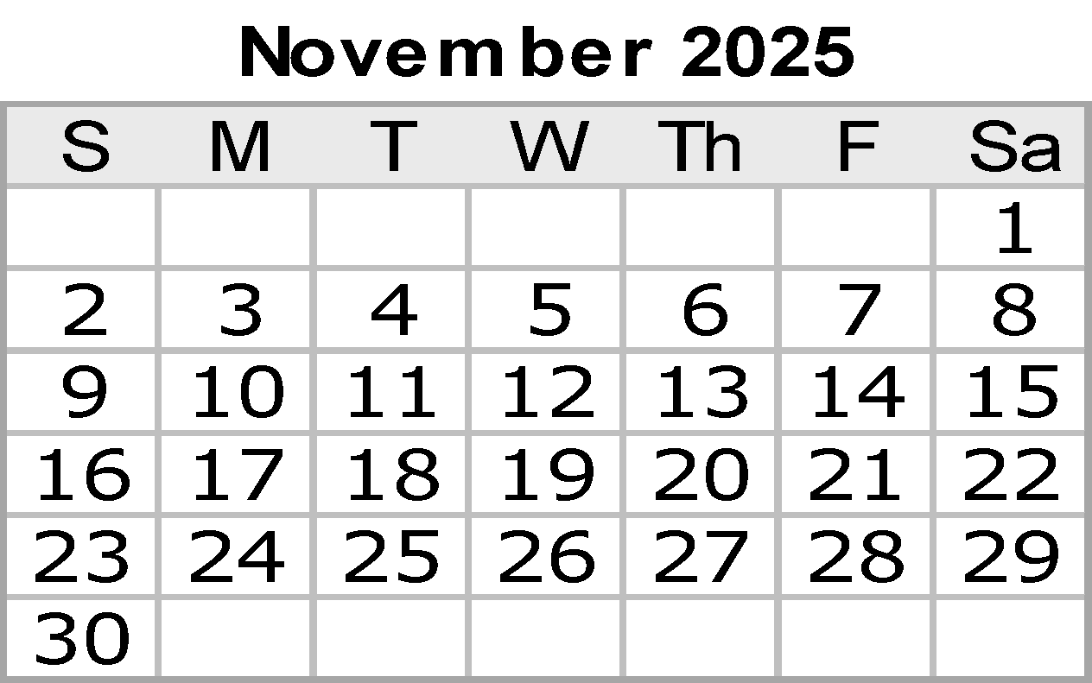

 |  |  |  |  |  |  |  |  | Notes:

 |  |  |  |  |  |  |  |  |  |  | © 2019 Vertex42 LLC
 |  |  |  |  |  |  |  | {42} | Calendar Template by Vertex42.com
 |  | https://www.vertex42.com/ExcelTemplates/excel-calendar-template.html

Jan
Algebra 2 |  | 2026-01-01
Sunday | Monday |  | Tuesday |  | Wednesday | Thursday |  | Friday | Saturday
 |  |  |  |  |  | 2026-01-01 | New Year's Day | 2026-01-02 | 2026-01-03
On Level
Advanced |  |  |  |  |  | No School! |  | No School!
Both

2026-01-04 | 2026-01-05 |  | 2026-01-06 | [TEK] | 2026-01-07 | 2026-01-08 |  | 2026-01-09 | 2026-01-10
 |  |  | [Day 1 Learning Target] |  |  |  | 6.2.1- Transformations Notes.pdf | 6.2.2- Cube Root Translations Notes
 | Teacher Prep |  | Solving Cube Root Equations Notes |  | Solving Cube Root Equations Homework | Unit 6.1 On Level Test |  | 6.2.2- Cube Root Translations Practice
 |  |  | Advanced Solving Cube Root Equations Notes |  | Advanced Solving Cube Root Equations Homework | 6.2.1 Transformations Practice |  | 6.2.2- Cube Root Translations & Dilations Notes
 |  |  |  |  |  | Unit 6.1 Advanced Test |  | 6.2.2- Cube Root Translations & Dilations Practice
 |  |  |  |  |  | Advanced 6.2.1 Transformations Practice
2026-01-11 | 2026-01-12 |  | 2026-01-13 |  | 2026-01-14 | 2026-01-15 |  | 2026-01-16 | 2026-01-17
 | 6.2.3- Cube Root Dilations Notes
 | 6.2.3- Cube Root Dilations Practice |  | Work Day |  | 6.2.4- Cubic Translations Notes | 6.2.5- Cubic Dilations Notes |  | 6.2.6: Inverses
 | 6.2.3- Cubic Translations & Dilations Notes |  | Work Day |  | 6.2.4- Cubic Translations Practice | 6.2.5- Cubic Dilations Practice |  | 6.2.6: Inverses Practice
 | 6.2.3- Cubic Translations & Dilations Practice |  |  |  | Notes 6.2.4 | Work Day |  | Adv. Review
 |  |  |  |  | Practice 6.2.4
2026-01-18 | 2026-01-19 | ML King Day | 2026-01-20 |  | 2026-01-21 | 2026-01-22 |  | 2026-01-23 | 2026-01-24
 |  |  | Onlevel Review |  | Onlevel Review
 | Prof Dev |  |  |  | 7.1 Rewriting radical form and rational exponents.pdf | On level Unit 6 Graphing Test |  | 7.1- Rewriting Notes
 |  |  | Updated Adv Test |  |  | 7.2- Polynomial Operations Notes |  | 7.3- Factor by Grouping and Quadratic Form Notes
 |  |  |  |  | 7.1- Rewriting Riddle Activity.pdf | 7.2 Polynomial Operations Practice.docx |  | 7.3- Factor by Grouping and Quadratic Form Practice.docx

2026-01-25 | 2026-01-26 |  | 2026-01-27 |  | 2026-01-28 | 2026-01-29 |  | 2026-01-30 | 2026-01-31
 | 7.2- Polynomial Operations Notes |  | 7.3- Factor Quadratic Form and GCF Notes |  | 7.4- Factor by Grouping Notes | Work Day |  | 7.5- Factoring Sum and Difference of Cubes Notes
 | 7.2- Polynomial Operations Practice.docx |  | 7.3- Factor Quadratic Form and GCF Practice.docx |  | 7.4- Factor Grouping Practice.docx | Work day |  | 7.5- Factoring Sum and Difference of Cubes Practice.docx
 | 7.4- Factoring Sum and Difference of Cubes Notes |  | Work day |  | 7.5- Long Division Notes |  |  | 7.6- Synthetic Division Notes
 | 7.4- Factoring Sum and Difference of Cubes Practice.docx |  | Simplifying and Factoring Quiz |  | 7.5- Long Division Practice |  |  | 7.6- Synthetic Division Practice

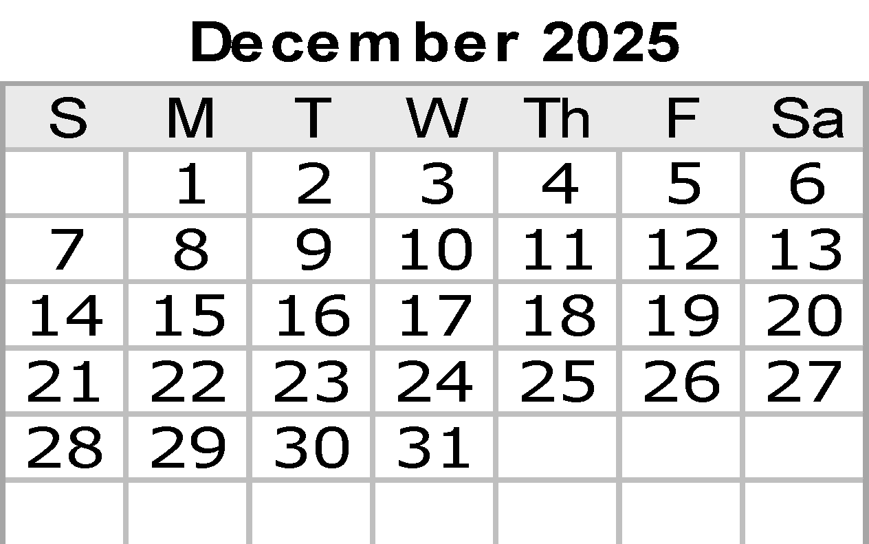
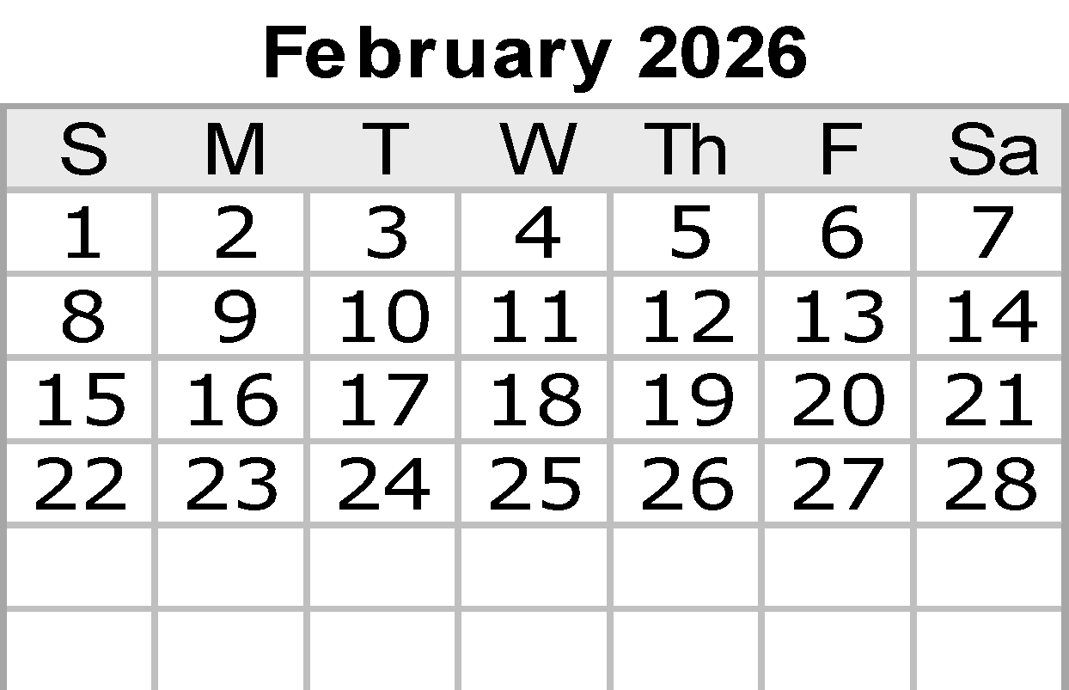
 |  |  |  |  |  |  |  | Notes:

 |  |  |  |  |  |  |  |  | © 2022 Vertex42 LLC
 |  |  |  |  |  |  | {42} | Calendar Template by Vertex42.com
 | https://www.vertex42.com/ExcelTemplates/excel-calendar-template.html

Feb
Algebra 2 |  | 2026-02-01
Sunday | Monday |  | Tuesday | Wednesday | Thursday |  | Friday | Saturday
2026-02-01 | 2026-02-02 |  | 2026-02-03 | 2026-02-04 | 2026-02-05 |  | 2026-02-06 | 2026-02-07
 | Simplifying and Factoring Quiz |  | 7.6- Long Division Notes | 7.6- Long Division Notes |  |  | 7.7- Synthetic Division Practice
 | Work Day |  | 7.6- Long Division Practice | 7.6- Long Division Practice | Work Day |  | 7.7- Synthetic Division Notes
 | Work Day |  | 7.7- Linear Factors Notes | 7.7- Linear Factors Notes | Unit 7 Review |  | Polynomial Test.docx
 | Poly Division quiz |  | 7.7- Linear Factors Practice | 7.7- Linear Factors Practice

2026-02-08 | 2026-02-09 |  | 2026-02-10 | 2026-02-11 | 2026-02-12 | End of 4th Six Weeks | 2026-02-13 | 2026-02-14 | Valentine's Day
 | Division quiz |  | 7 Notes Rational Root Theorem.pdf | Unit 7 Review | On level Unit 7 Test
 | Work Day |  | 7 Practice A Rational Root Theorem.pdf | 8.1.3- Sums and Difference of R.E. hard CD |  |  | Prof Dev
 | 8.1.1- P&Q of Rational Expressions Notes |  | 8.1.2- Adding and Subtracting Rational Expressions Day 1 Notes |  | Work Day
 | 8.1.1- P&Q of Rational Expressions Practice.docx |  | 8.1.2- Adding and Subtracting Rational Expressions Day 1 Practice

2026-02-15 | 2026-02-16 | Presidents' Day | 2026-02-17 | 2026-02-18 | 2026-02-19 |  | 2026-02-20 | 2026-02-21
 |  |  | 8.1.1- Products of Rational Expressions | 8.1.2- Quotients of Rational Expressions Notes | P&Q of Rational Expressions Quiz |  | 8.1.3- Sums of Rational Expressions Notes
 | No School! |  | 8.1.1- Products of Rational Expressions Practice | 8.1.2- Quotients of Rational Expressions Practice | Work day |  | 8.1.3- Sums of Rational Expressions Practice
 |  |  |  | Simplifying Rational Expressions Quiz | Reteach Simplify
 |  |  | Mixed Simplify Practice | Work Day |  |  | Simplifying Quiz Take 2

2026-02-22 | 2026-02-23 |  | 2026-02-24 | 2026-02-25 | 2026-02-26 |  | 2026-02-27 | 2026-02-28
 | 8.1.4- Differences of Rational Expressions Notes |  | Mixed Simplifying Practice | Simplifying Rational Expressions Quiz | 8.1.5- Inverse and Direct Variation Notes |  | 8.1.6- Solving Day 1 Notes
 | 8.1.4- Differences of Rational Expressions Practice |  | 8.1.5- Solving Rational Equations Day 1 Notes | Work Day | 8.1.5- Inverse and Direct Variation Practice |  | 8.1.6- Solving Day 1 Practice
 | 8.1.4- Variation Notes |  | 8.1.5- Solving Rational Equations Day 1 Practice | Practice 8.1.6 | 8.1.7 Notes |  | Work Day
 | 8.1.4- Variation Practice |  |  |  | 8.1.7 Applications Practice

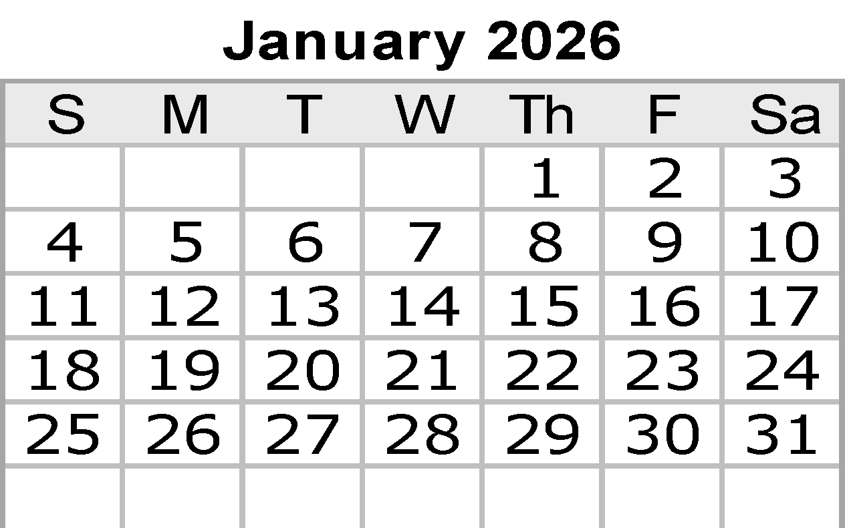
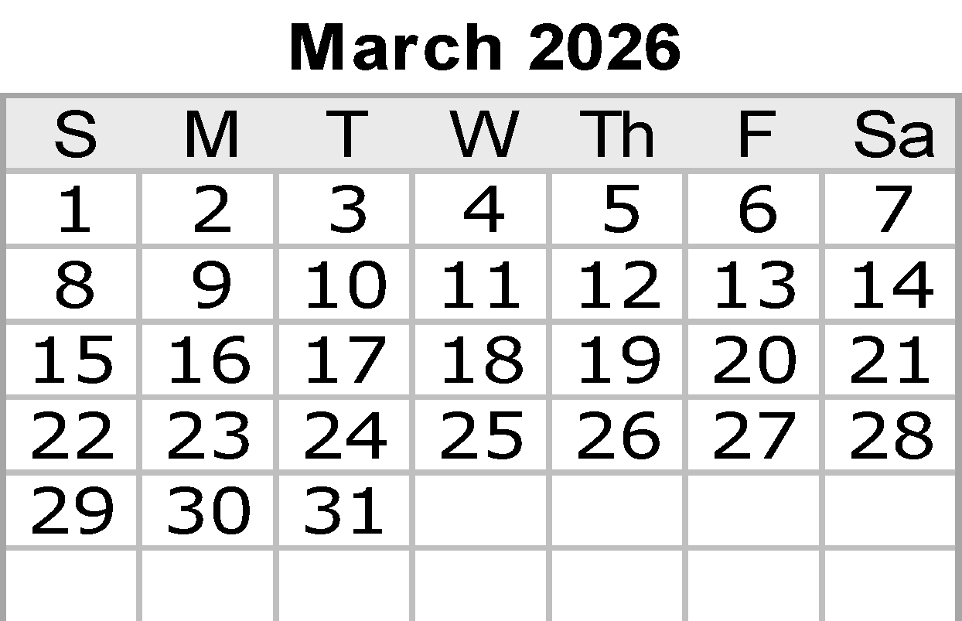
 |  |  |  |  |  |  | Notes:

 |  |  |  |  |  |  |  | © 2022 Vertex42 LLC
 |  |  |  |  |  | {42} | Calendar Template by Vertex42.com
 | https://www.vertex42.com/ExcelTemplates/excel-calendar-template.html

Mar
Algebra 2 |  | 2026-03-01
Sunday | Monday |  | Tuesday | Wednesday | Thursday |  | Friday | Saturday
2026-03-01 | 2026-03-02 |  | 2026-03-03 | 2026-03-04 | 2026-03-05 |  | 2026-03-06 | 2026-03-07
On Level
Advanced | Work Day |  | 8.1.7- Solving Day 2 Notes | 8.1 Review | 8.1 Onlevel Test |  | Work Day/Make up day
Both |  |  | 8.1.7- Solving Day 2 Practice | 8.1 Test | Work Day |  | Work Day
 | Work Day |  | Review 8.1

2026-03-08 | 2026-03-09 |  | 2026-03-10 | 2026-03-11 | 2026-03-12 |  | 2026-03-13 | 2026-03-14
 | 2 Notes Rational Transformations.pdf |  | 8.2 Rational Functions Transformations Quiz | 3 Notes Attributes of Rational Functions (1).pdf | 8.2 Rational Functions Attributes Quiz |  | Work Day
 | 2 Practice A Rational Transformations.pdf
 | 8.2.1- Graphing Rational Functions in Graphing Form |  | 8.2.2- Graphing Rational Functions in General Form | 3 Practice A Attributes of Rational Functions.pdf | Work Day |  | Work Day
 |  |  | 8.2.1a Practice | 8.2.3- Graphing Day 2

2026-03-15 | 2026-03-16 |  | 2026-03-17 | 2026-03-18 | 2026-03-19 |  | 2026-03-20 | 2026-03-21

 | No School! |  | No School! | No School! | No School! |  | No School!

2026-03-22 | 2026-03-23 |  | 2026-03-24 | 2026-03-25 | 2026-03-26 |  | 2026-03-27 | 2026-03-28
 | 8.2 Review |  | Unit 8.2 Test.docx | 9.1a- Graphing Exponential Functions day 1 Notes | 9.1b- Graphing Exponential Functions day 2 Notes |  | Work Day
 |  |  |  | 9.1a- Graphing Exponential Functions Day 1 Practice | 9.1b- Graphing Exponential Functions Day 2 Practice
 |  |  | Unit 8.2 Test Graphing rational functions
 | Review

2026-03-29 | 2026-03-30 |  | 2026-03-31
 | 9.1 Graphing Exponentials Quiz |  | 9.1c-Intro to Logs | 9.1d- Graphing Logarithmic Functions Day 1 Notes | 9.1e- Graphing Logarithmic Functions Day 2 Notes
 |  |  | 9.1c- Intro to Logs Practice | 9.1d- Graphing Logarithmic Functions Day 1 Practice | 9.1e- Graphing Logarithmic Functions Day 2 Practice
 | 9.1 Graphing Exponentials Quiz |  | 9.1c Meaning of Logs Notes | Graphing Logs Notes | 6 Notes Exponential Logarithmic Inverses.pdf
 |  |  | 9.1c- Meaning of Logs Practice | Graphing Logs Practice | 6 Practice A Exponential Logarithmic Inverses.pdf

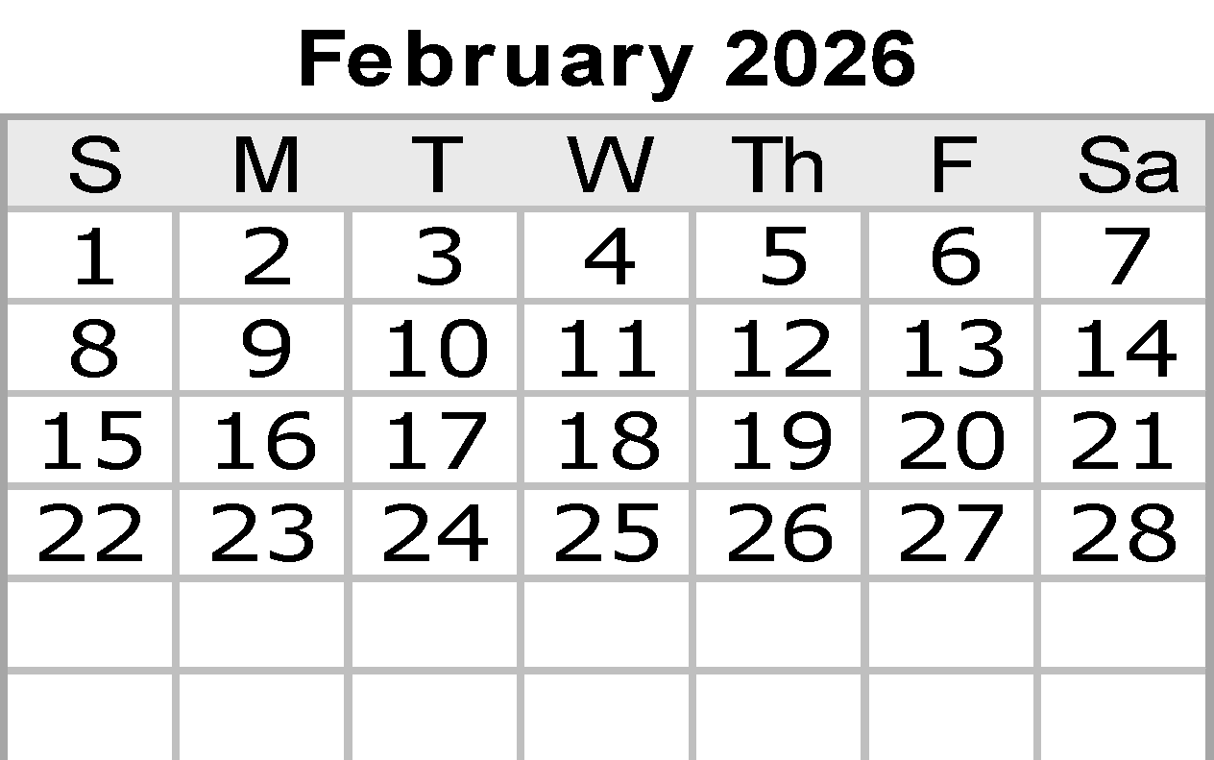

 |  |  |  |  |  |  | Notes:

 |  |  |  |  |  |  |  | © 2022 Vertex42 LLC
 |  |  |  |  |  | {42} | Calendar Template by Vertex42.com
 | https://www.vertex42.com/ExcelTemplates/excel-calendar-template.html

Apr
Algebra 2 |  |  | 2026-04-01
Sunday |  | Monday |  | Tuesday |  | Wednesday | Thursday |  | Friday |  | Saturday
 |  |  |  |  |  | 2026-04-01 | 2026-04-02 | End of 5th Six Weeks | 2026-04-03 | Good Friday | 2026-04-04
 |  |  |  |  |  | 9.1d- Graphing Logarithmic Functions Day 1 Notes | 9.1e- Graphing Logarithmic Functions Day 2 Notes
 |  |  |  |  |  | 9.1d- Graphing Logarithmic Functions Day 1 Practice | 9.1e- Graphing Logarithmic Functions Day 2 Practice |  | No School!
 |  |  |  |  |  | Graphing Logs Notes | 6 Notes Exponential Logarithmic Inverses.pdf
 |  |  |  |  |  | Graphing Logs Practice | 6 Practice A Exponential Logarithmic Inverses.pdf

2026-04-05 | Easter | 2026-04-06 |  | 2026-04-07 |  | 2026-04-08 | 2026-04-09 |  | 2026-04-10 |  | 2026-04-11
 |  | Work Day |  | 9.1f-Inverses Day 1 Notes |  | 9.1g- Checking inverse | 9 Review |  | 9 Review
 |  |  |  | 9.1f- Inverses Day 1 Practice |  | 9.1g- Checking the inverse Practice
 |  | Quiz |  | Reteach |  | 9A Review | Advanced 9.1 Test |  | 7 Notes Solving Exponential Equations.pdf
 |  |  |  |  |  |  |  |  | 7 Practice A Solving Exponential Equations.pdf

2026-04-12 |  | 2026-04-13 |  | 2026-04-14 | EOC Testing Window Opens | 2026-04-15 | 2026-04-16 |  | 2026-04-17 |  | 2026-04-18
 |  | On-level 9.1 Test

 |  | 9 Notes Solving Logarithmic Equations.pdf
 |  | 9 Practice A Solving Logarithmic Equations.pdf

2026-04-19 |  | 2026-04-20 |  | 2026-04-21 |  | 2026-04-22 | 2026-04-23 |  | 2026-04-24 |  | 2026-04-25

2026-04-26 |  | 2026-04-27 |  | 2026-04-28 |  | 2026-04-29 | 2026-04-30


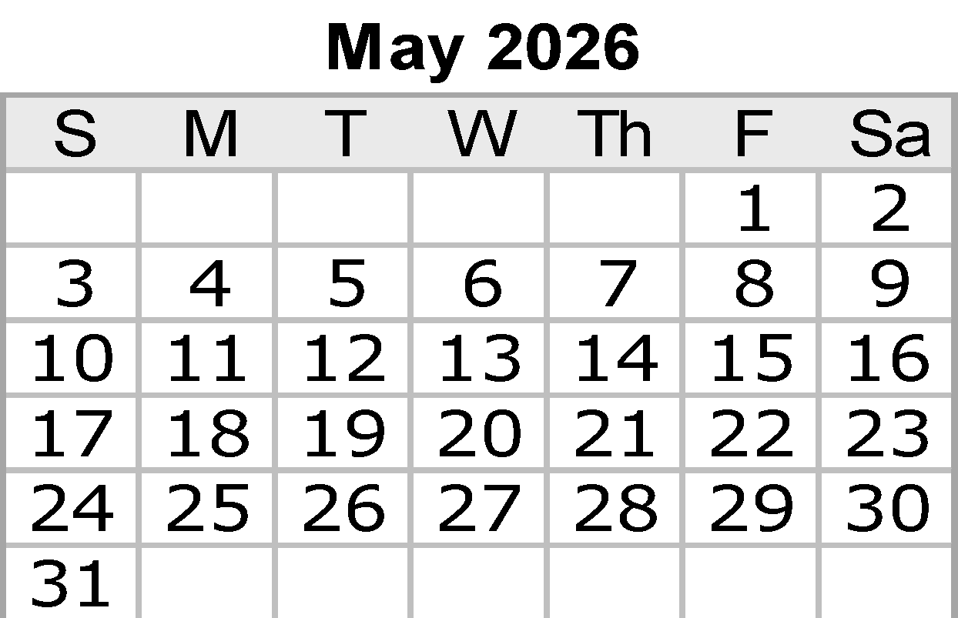
 |  |  |  |  |  |  |  |  | Notes:

 |  |  |  |  |  |  |  |  |  |  | © 2022 Vertex42 LLC
 |  |  |  |  |  |  |  | {42} | Calendar Template by Vertex42.com
 |  | https://www.vertex42.com/ExcelTemplates/excel-calendar-template.html

May
Algebra 2 |  |  | 2026-05-01
Sunday |  | Monday |  | Tuesday | Wednesday | Thursday |  | Friday |  | Saturday
 |  |  |  |  |  |  |  | 2026-05-01 |  | 2026-05-02

2026-05-03 |  | 2026-05-04 |  | 2026-05-05 | 2026-05-06 | 2026-05-07 |  | 2026-05-08 |  | 2026-05-09

2026-05-10 | Mother's Day | 2026-05-11 |  | 2026-05-12 | 2026-05-13 | 2026-05-14 |  | 2026-05-15 |  | 2026-05-16 | Armed Forces Day

2026-05-17 |  | 2026-05-18 |  | 2026-05-19 | 2026-05-20 | 2026-05-21 |  | 2026-05-22 | End of 2nd Semester | 2026-05-23
 |  |  |  |  |  |  |  | Student - early release

2026-05-24 |  | 2026-05-25 | Memorial Day | 2026-05-26 | 2026-05-27 | 2026-05-28 |  | 2026-05-29 |  | 2026-05-30

 |  | No School! |  | Makeup Snow Day | Makeup Snow Day | Makeup Snow Day



2026-05-31 |  |  |  |  |  |  |  | Notes:

 |  |  |  |  |  |  |  |  |  | © 2022 Vertex42 LLC
 |  |  |  |  |  |  | {42} | Calendar Template by Vertex42.com
 |  | https://www.vertex42.com/ExcelTemplates/excel-calendar-template.html

Jun
Algebra 2 |  |  | 2026-06-01
Sunday |  | Monday |  | Tuesday |  | Wednesday |  | Thursday |  | Friday |  | Saturday
 |  | 2026-06-01 |  | 2026-06-02 |  | 2026-06-03 |  | 2026-06-04 |  | 2026-06-05 |  | 2026-06-06

2026-06-07 |  | 2026-06-08 |  | 2026-06-09 |  | 2026-06-10 |  | 2026-06-11 |  | 2026-06-12 |  | 2026-06-13

2026-06-14 |  | 2026-06-15 |  | 2026-06-16 | EOC Retesting | 2026-06-17 | EOC Retesting | 2026-06-18 | EOC Retesting | 2026-06-19 | EOC Retesting | 2026-06-20

2026-06-21 | Father's Day | 2026-06-22 |  | 2026-06-23 |  | 2026-06-24 |  | 2026-06-25 |  | 2026-06-26 |  | 2026-06-27

2026-06-28 |  | 2026-06-29 |  | 2026-06-30

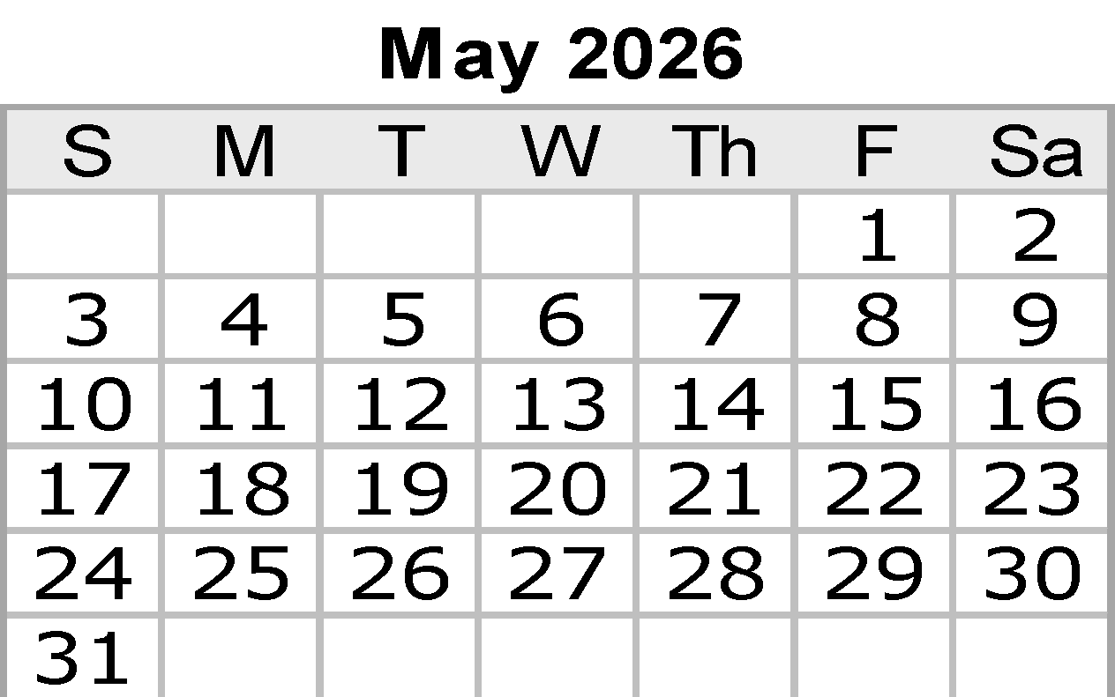

 |  |  |  |  |  |  |  |  |  | Notes:

 |  |  |  |  |  |  |  |  |  |  |  | © 2022 Vertex42 LLC
 |  |  |  |  |  |  |  |  | {42} | Calendar Template by Vertex42.com
 |  | https://www.vertex42.com/ExcelTemplates/excel-calendar-template.html

